AD supplier (Groceries)
DATE | DATE | INV NO. | ITEM | QYT | PRICE | SUBTOTAL | TOTAL | BILLS | Rp13,063,000
3-Mar-2026 | 2-Apr-2026 | ADS-232974 | MOZARELLA CHEESE | 6.9 | Rp120,000 | Rp828,000 | Rp1,513,000 | 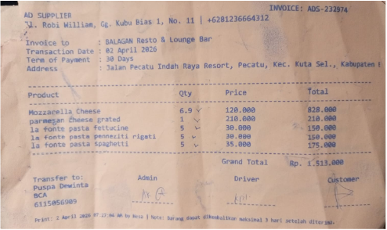
 |  |  | PARMESAN CHEESE GRATED | 1 | Rp210,000 | Rp210,000
3-Mar-2026 |  |  | LA FONTE PASTA FETTUCINE | 5 | Rp30,000 | Rp150,000
13-Mar-2026 |  |  | LA FONTE PASTA PENNEZITI RIGATI | 5 | Rp30,000 | Rp150,000
 |  |  | LA FONTE PASTA SPAGHETTI | 5 | Rp35,000 | Rp175,000
 | 2-Apr-2026 | ADS-233073 | BORGES EXTRA VIRGIN OIL 5 L | 1 | Rp1,300,000 | Rp1,300,000 | Rp1,300,000 | 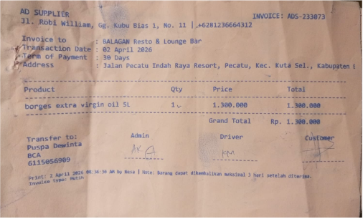
 | 4-Apr-2026 | ADS-233702 | TOMATOES PEELED MERKO | 18 | Rp100,000 | Rp1,800,000 | Rp1,980,000 | 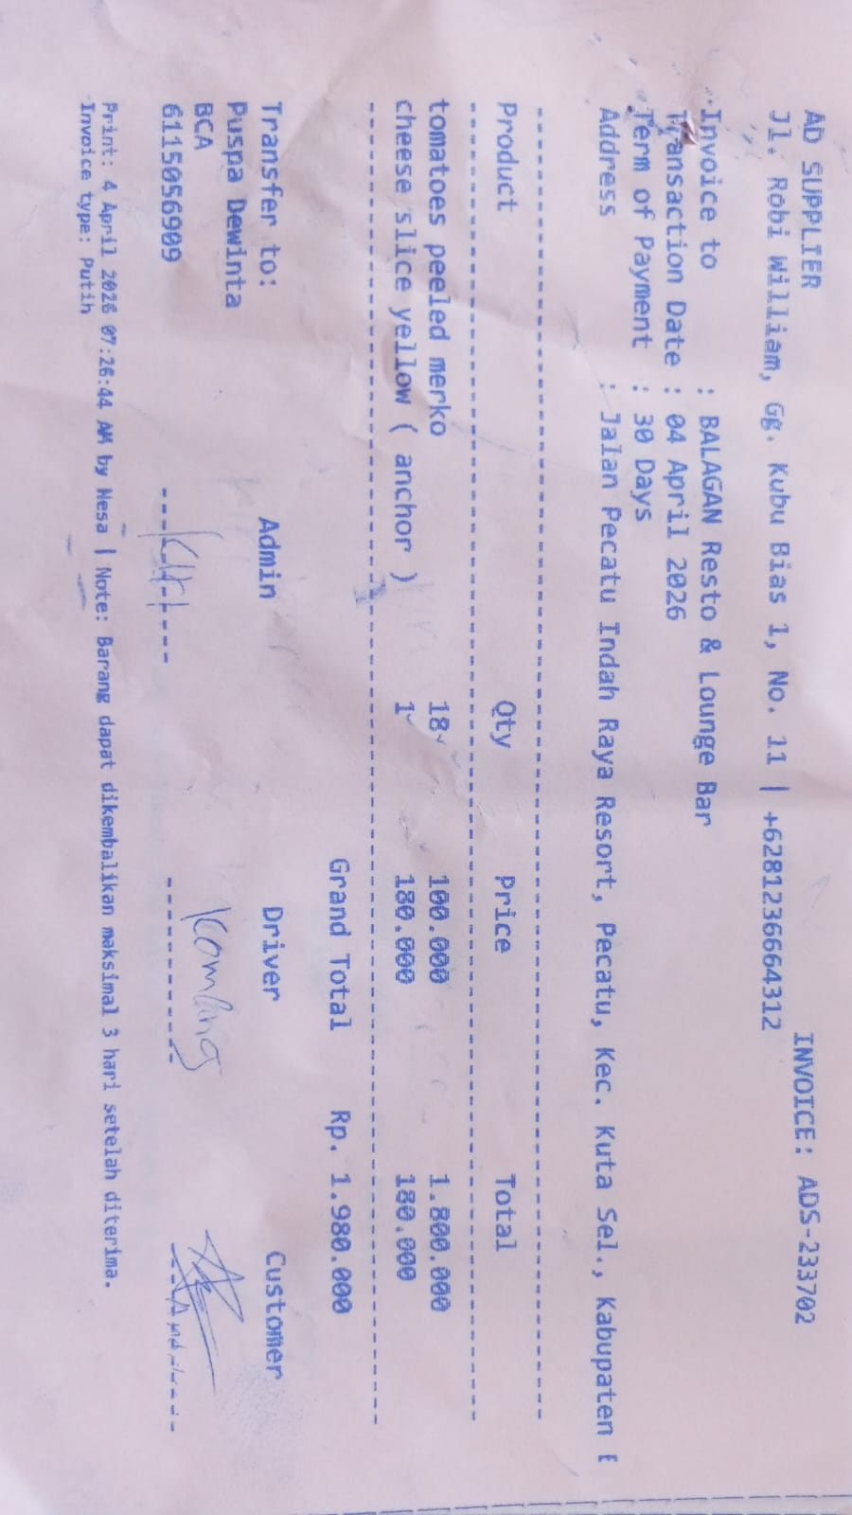
 |  |  | CHEESE SLICE YELLOW (ANCHOR) | 1 | Rp180,000 | Rp180,000
 | 4-Apr-2026 | ADS-233707 | MOZARELLA CHEESE | 6.9 | Rp120,000 | Rp828,000 | Rp828,000 | 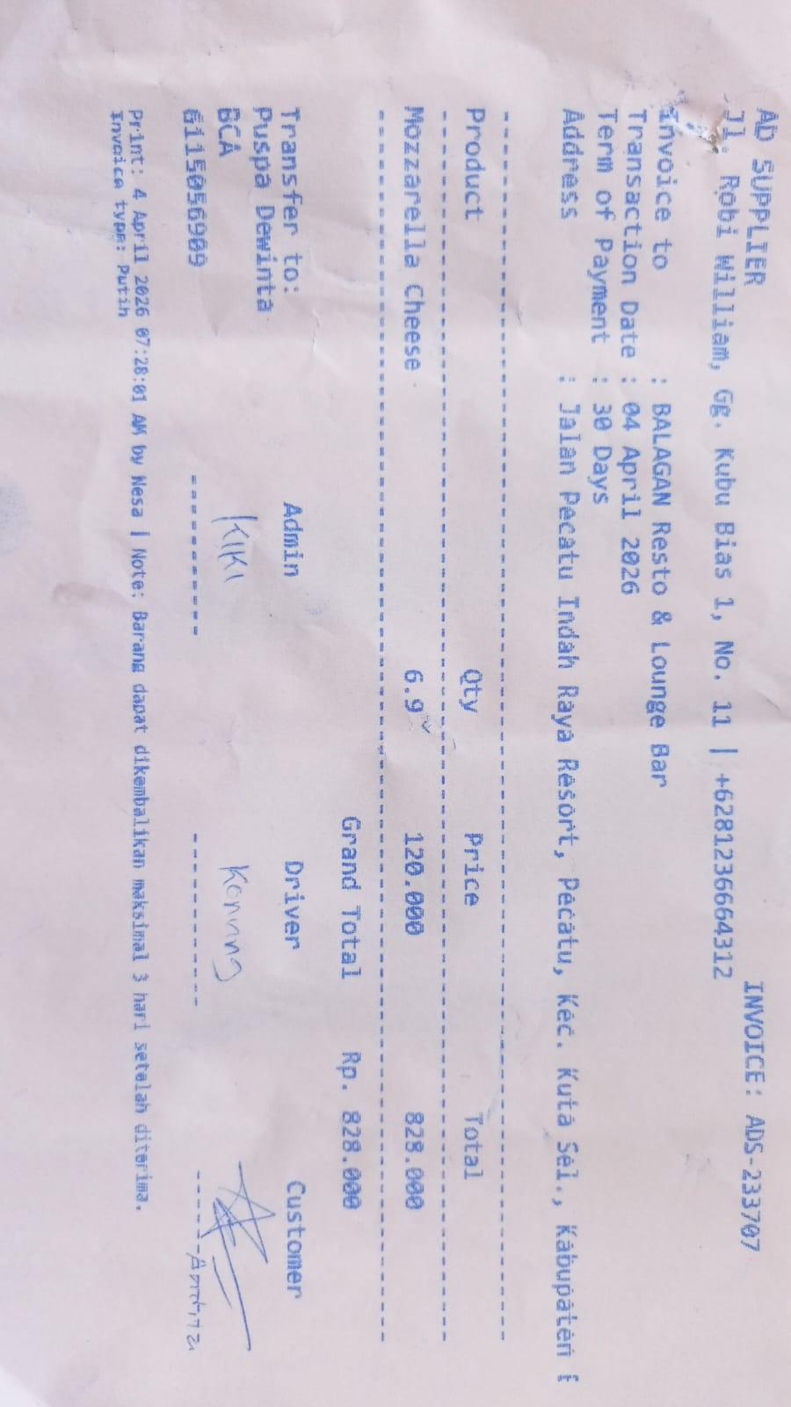
 | 7-Apr-2026 | ADS-234412 | OIL RB JAR | 3 | Rp380,000 | Rp1,140,000 | Rp1,140,000 | 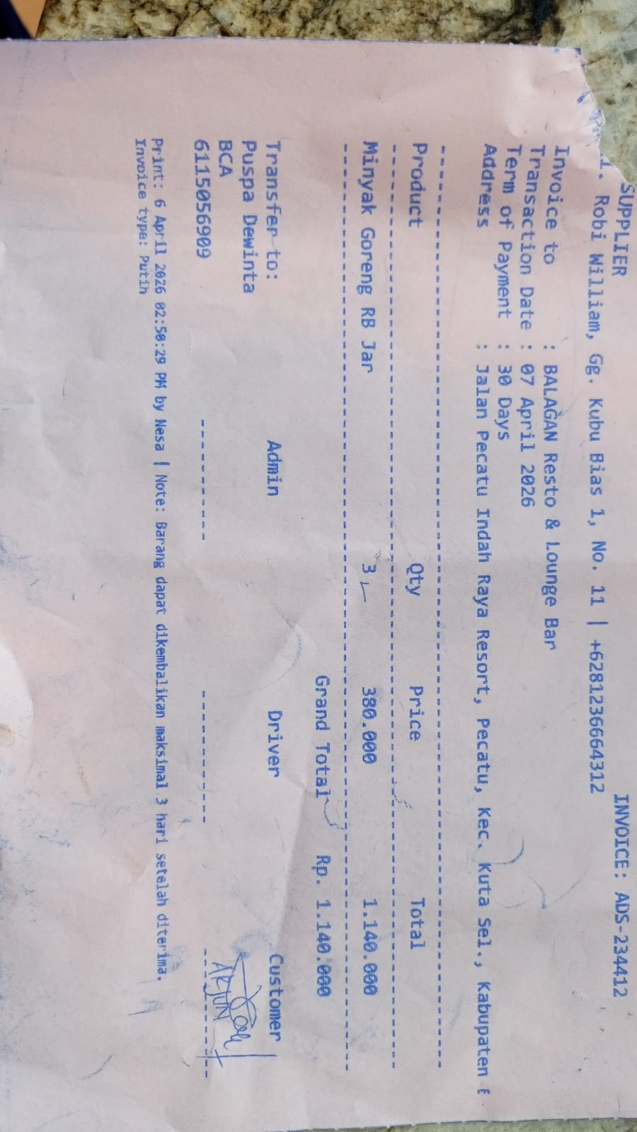
 | 16-Apr-2026 | ADS-237423 | TOMATOES PEELED MERKO | 18 | Rp100,000 | Rp1,800,000 | Rp4,952,000 | 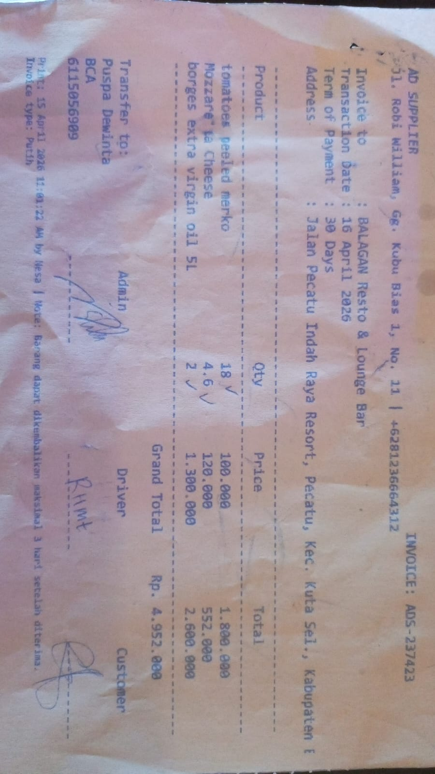
 |  |  | MOZARELLA CHEESE | 4.6 | Rp120,000 | Rp552,000
 |  |  | BORGES EXTRA VIRGIN OIL 5 L | 2 | Rp1,300,000 | Rp2,600,000
 | 16-Apr-2026 | ADS-237686 | PARMESAN CHEESE GRATED | 1 | Rp210,000 | Rp210,000 | Rp210,000 | 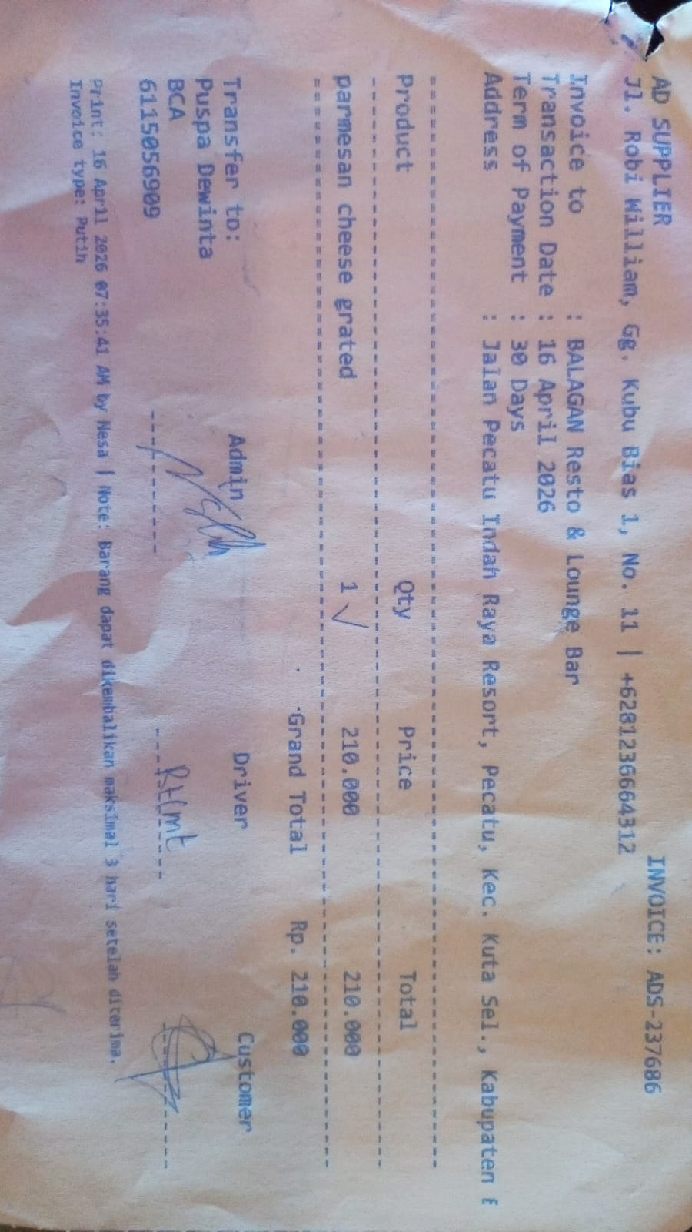
 | 16-Apr-2026 | ADS- 237426 | OIL RB JAR | 3 | Rp380,000 | Rp1,140,000 | Rp1,140,000 | 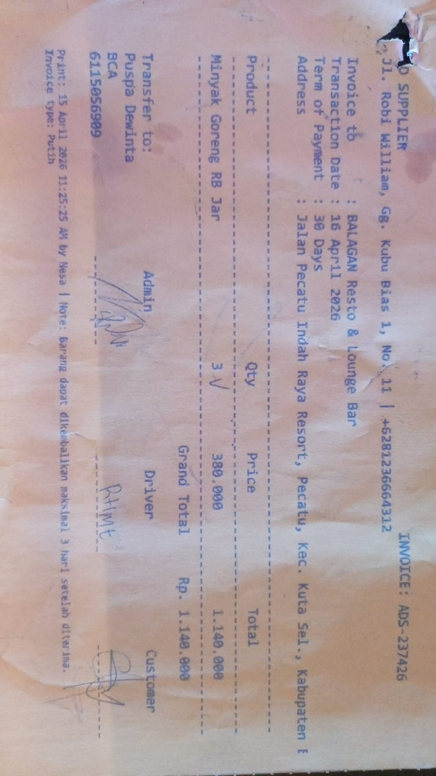

 |  |  |  |  |  |  | Rp13,063,000

AGUS SEAFOOD
DATE | DESCRIPTION | QUANTITY | PRICE | SUBTOTAL | TOTAL | INV. NO | BILLS | Rp7,908,500
6-Apr-2026 | SALMON FILLET | 5.3 | IDR 290,000 | IDR 1,537,000 | IDR 1,537,000 | 854 | 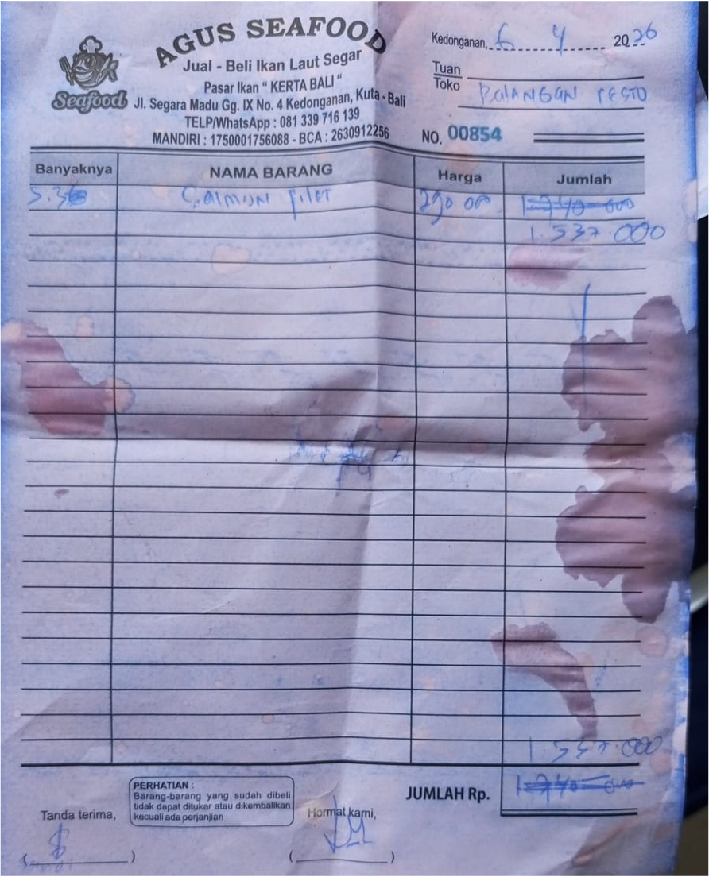
10-Apr-2026 | SALMON FILLET | 5.7 | IDR 290,000 | IDR 1,653,000 | IDR 2,185,000 | 816 | 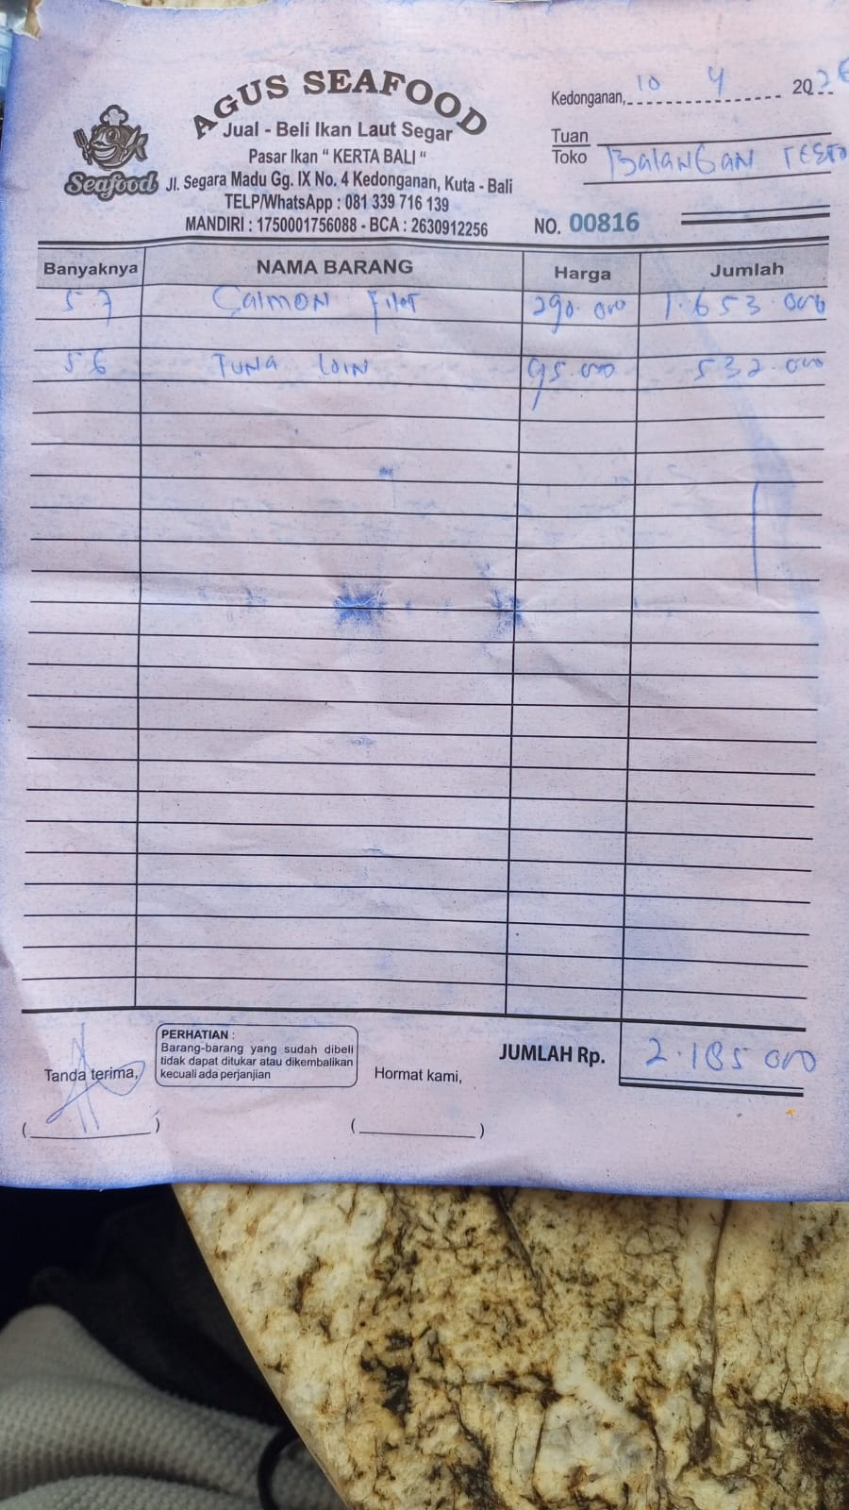
 | TUNA | 5.6 | IDR 95,000 | IDR 532,000
14-Apr-2026 | TUNA | 5.3 | IDR 95,000 | IDR 503,500 | IDR 1,489,500 | 783 | 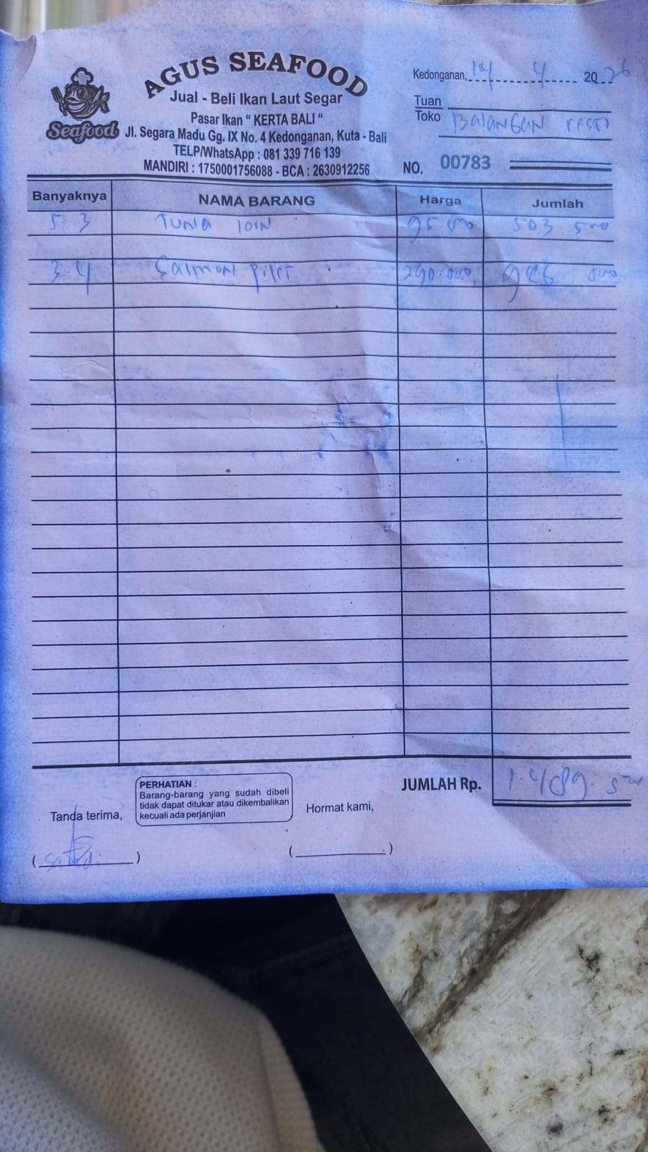
 | SALMON FILLET | 3.4 | IDR 290,000 | IDR 986,000
16-Apr-2026 | SALMON FILLET | 5.6 | IDR 290,000 | IDR 1,624,000 | IDR 1,624,000 | 4 | 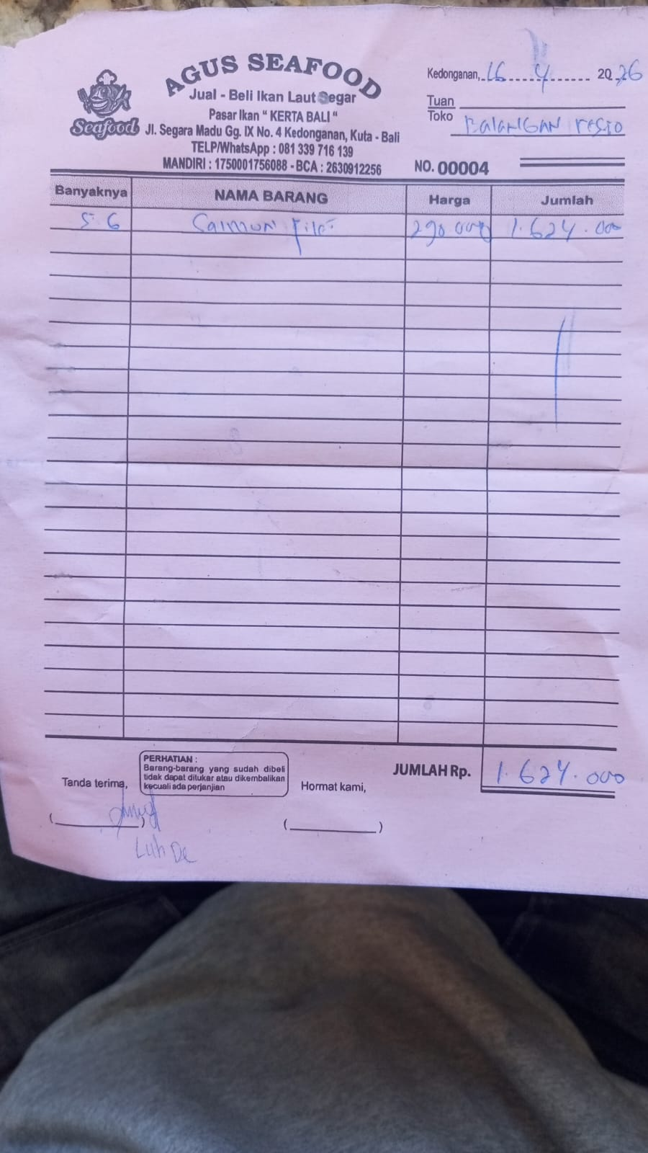
20-Apr-2026 | SALMON FILLET | 3.7 | IDR 290,000 | IDR 1,073,000 | IDR 1,073,000 | 60 | 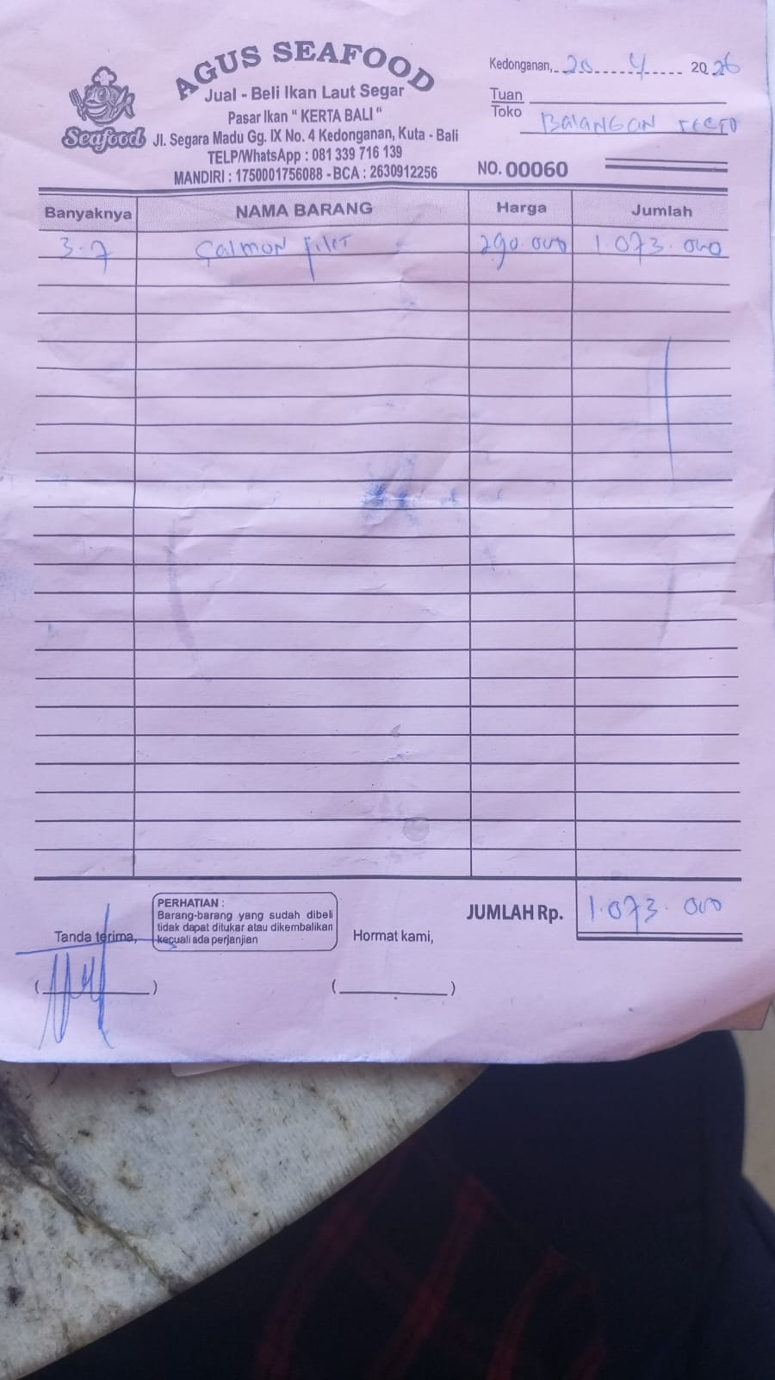

GRAND TOTAL |  |  |  | Rp7,908,500

RAFI SEAFOOD (Seafood)
DATE | DESCRIPTION | INV NO. | QTY | PRICE | SUBTOTAL | TOTAL | BILLS | Rp12,037,000
2-Apr-2026 | PRAWN | N/A | 3 | IDR 185,000 | IDR 555,000 | IDR 2,029,500 | 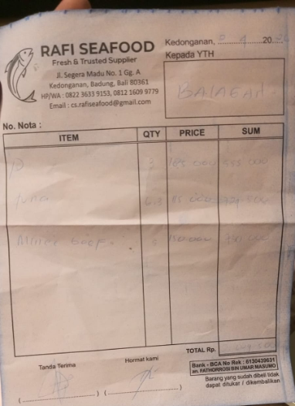
 | TUNA |  | 6.3 | IDR 115,000 | IDR 724,500
 | MINCED BEEF |  | 5 | IDR 150,000 | IDR 750,000
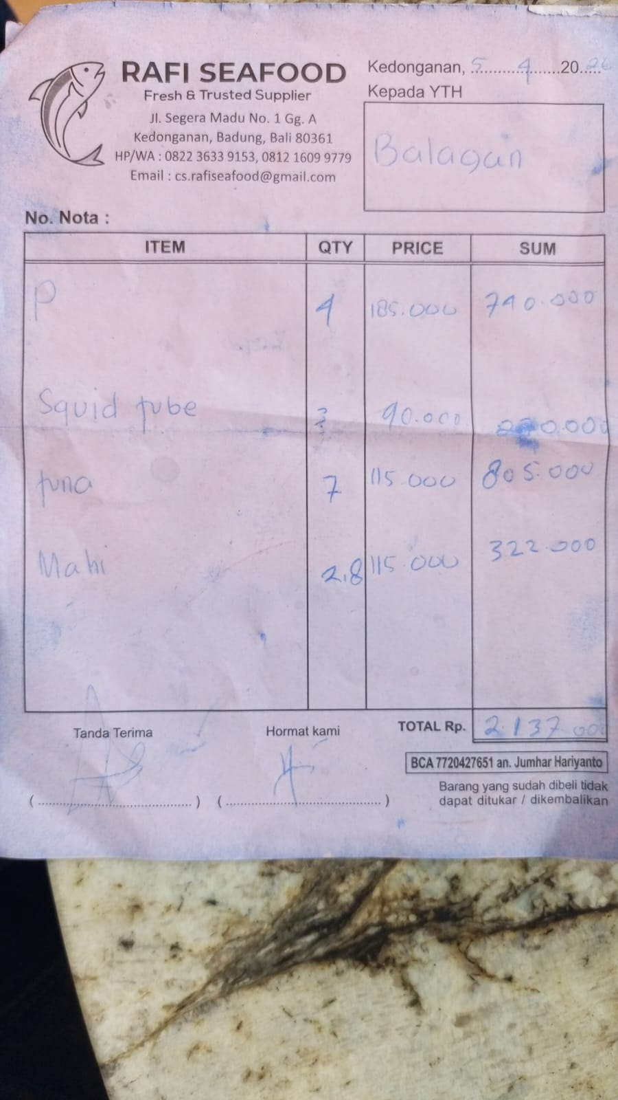
5-Apr-2026 | PRAWN | N/A | 4 | IDR 185,000 | IDR 740,000 | IDR 2,137,000
 | SQUID TUBE |  | 3 | IDR 90,000 | IDR 270,000
 | TUNA |  | 7 | IDR 115,000 | IDR 805,000
 | MAHI-MAHI |  | 2.8 | IDR 115,000 | IDR 322,000
9-Apr-2026 | SQUID TUBE | 563 | 2 | IDR 100,000 | IDR 200,000 | IDR 1,735,500 | 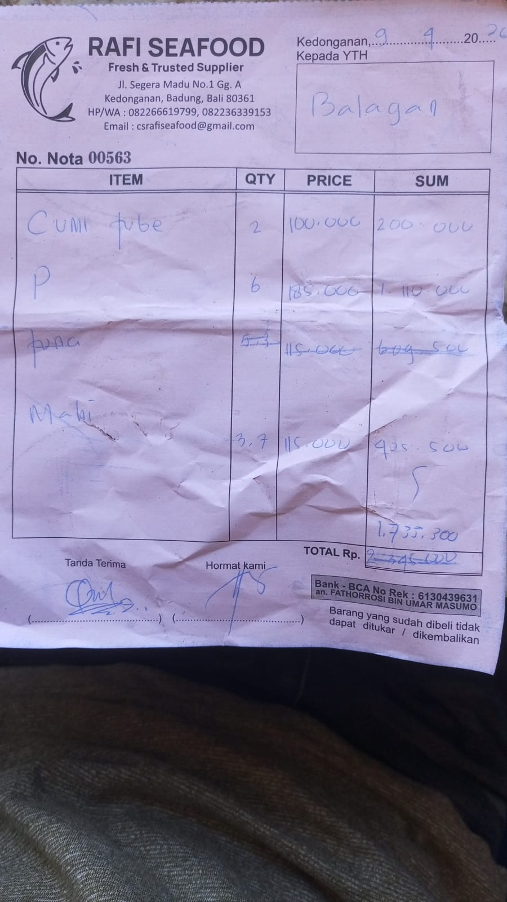
 | PRAWN |  | 6 | IDR 185,000 | IDR 1,110,000
 | MAHI-MAHI |  | 3.7 | IDR 115,000 | IDR 425,500
11-Apr-2026 | CHICKEN BREAST | 584 | 10 | IDR 65,000 | IDR 650,000 | IDR 2,300,000 | 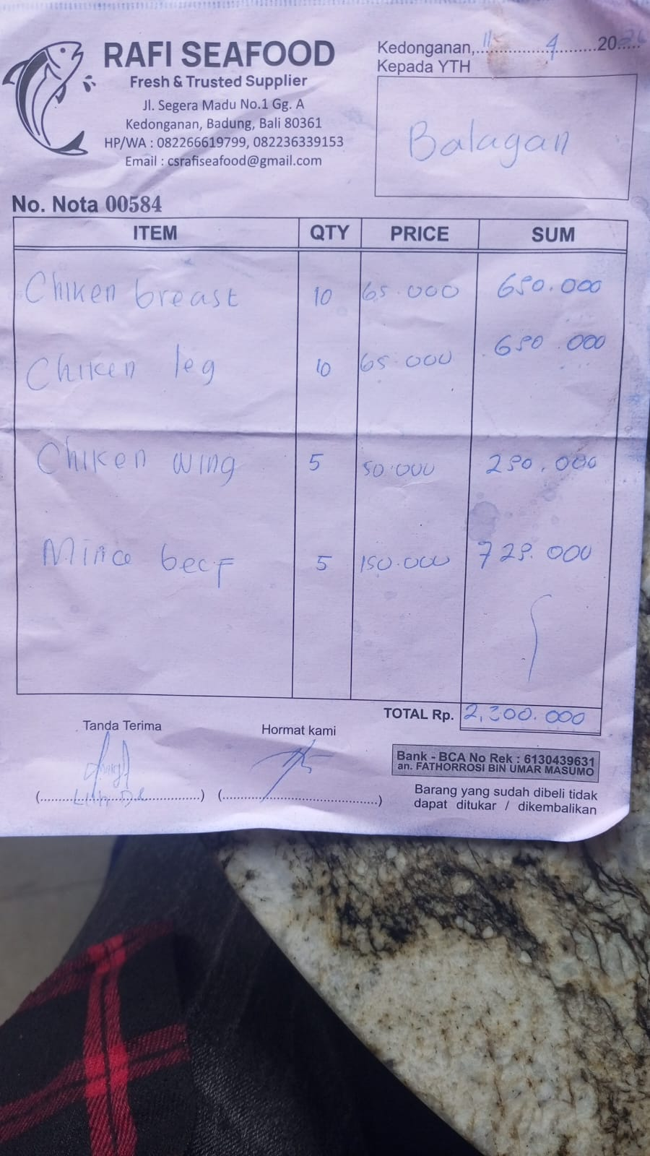
 | CHICKEN LEG |  | 10 | IDR 65,000 | IDR 650,000
 | CHICKEN WING |  | 5 | IDR 50,000 | IDR 250,000
 | MINCED BEEF |  | 5 | IDR 150,000 | IDR 750,000
15-Apr-2026 | TUNA | 608 | 5 | IDR 115,000 | IDR 575,000 | IDR 1,515,000 | 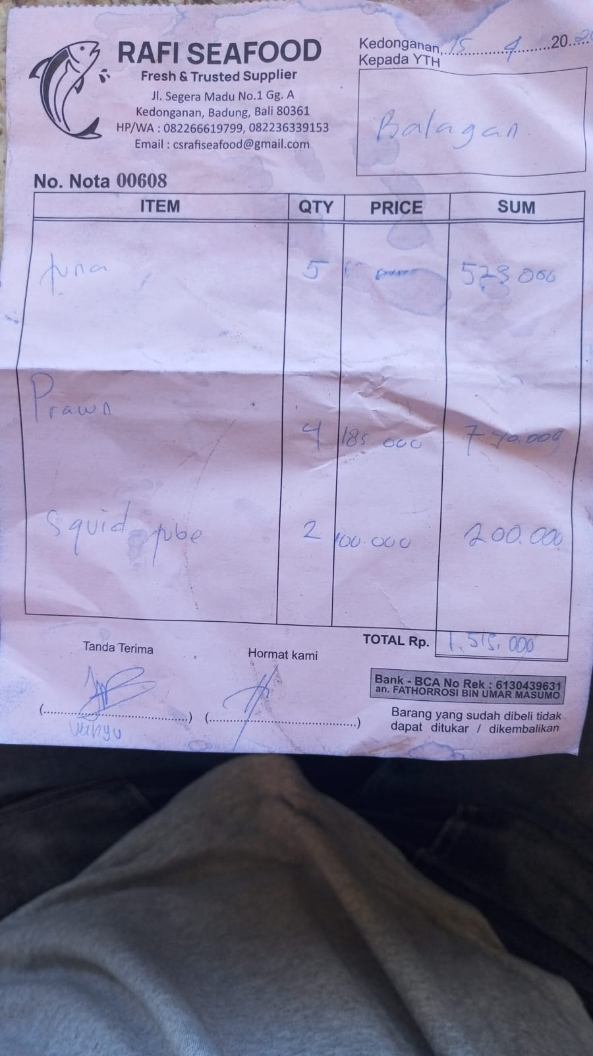
 | PRAWN |  | 4 | IDR 185,000 | IDR 740,000
 | SQUID TUBE |  | 2 | IDR 100,000 | IDR 200,000
19-Apr-2026 | MAHI-MAHI | 642 | 2.2 | IDR 115,000 | IDR 253,000 | IDR 2,320,000 | 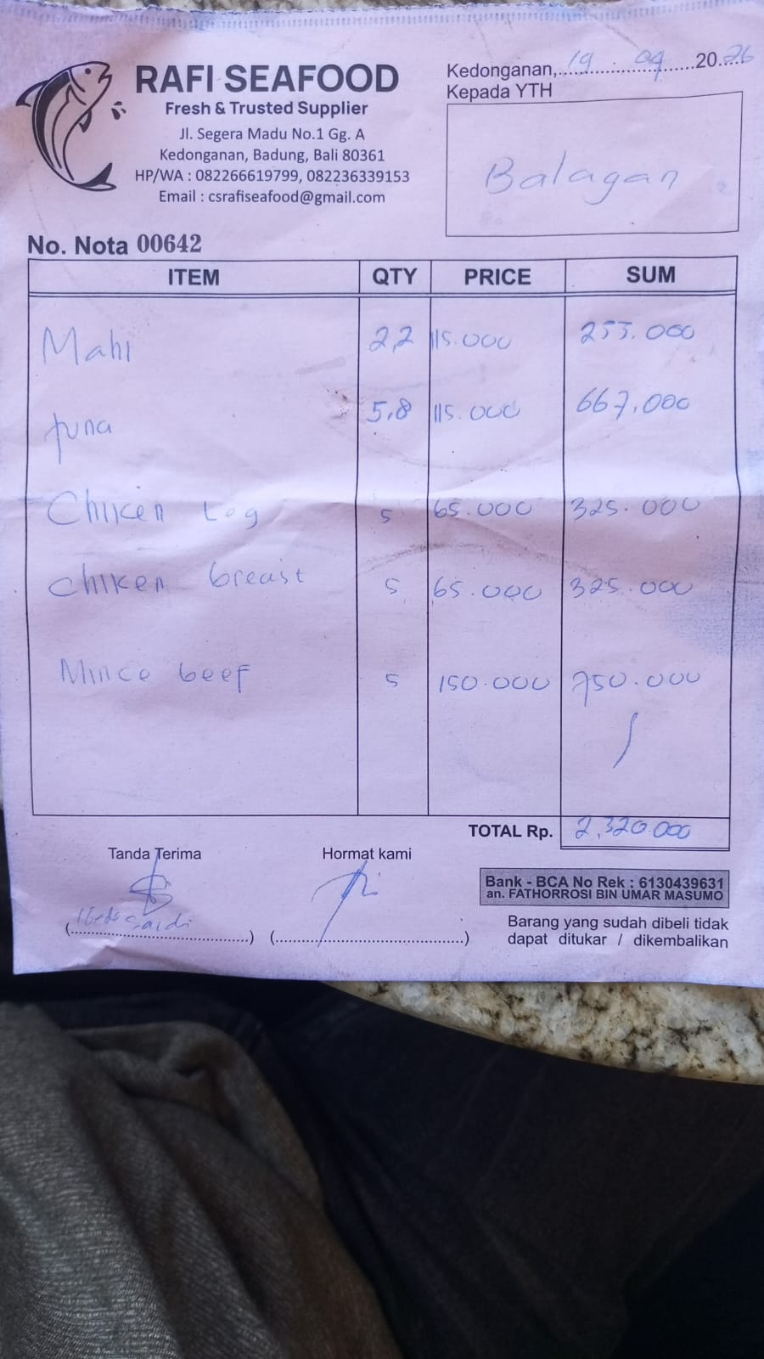
 | TUNA |  | 5.8 | IDR 115,000 | IDR 667,000
 | CHICKEN LEG |  | 5 | IDR 65,000 | IDR 325,000
 | CHICKEN BREAST |  | 5 | IDR 65,000 | IDR 325,000
 | MINCED BEEF |  | 5 | IDR 150,000 | IDR 750,000

 |  |  |  | Rp12,037,000

ABISEKA (FRESH MILK)
DATE | INV NO. | DESCRIPTION | QUANTITY | PRICE | SUBTOTAL | TOTAL | DUE DATE | PAYMENT STATUS | BILLS | Rp1,350,000
3-Apr-2026 | 8948 | FRESH MILK | 70 | IDR 13,500 | IDR 945,000 | IDR 945,000 | 2026-04-17 | UNPAID | 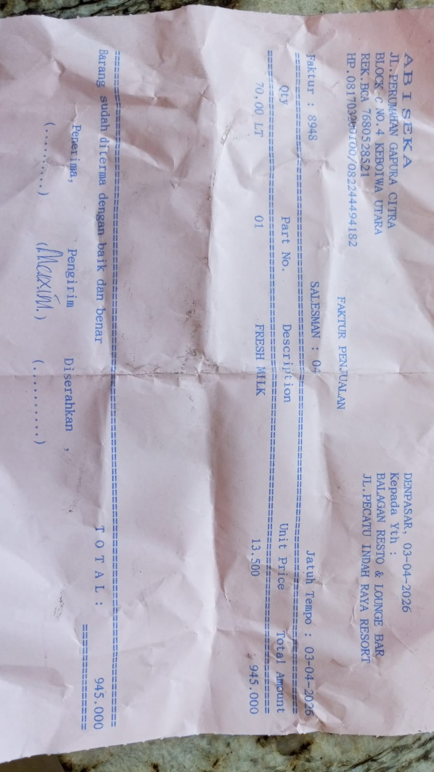
16-Apr-2026 | 9181 | FRESH MILK | 30 | IDR 13,500 | IDR 405,000 | IDR 405,000 | 2026-04-30 | UNPAID | 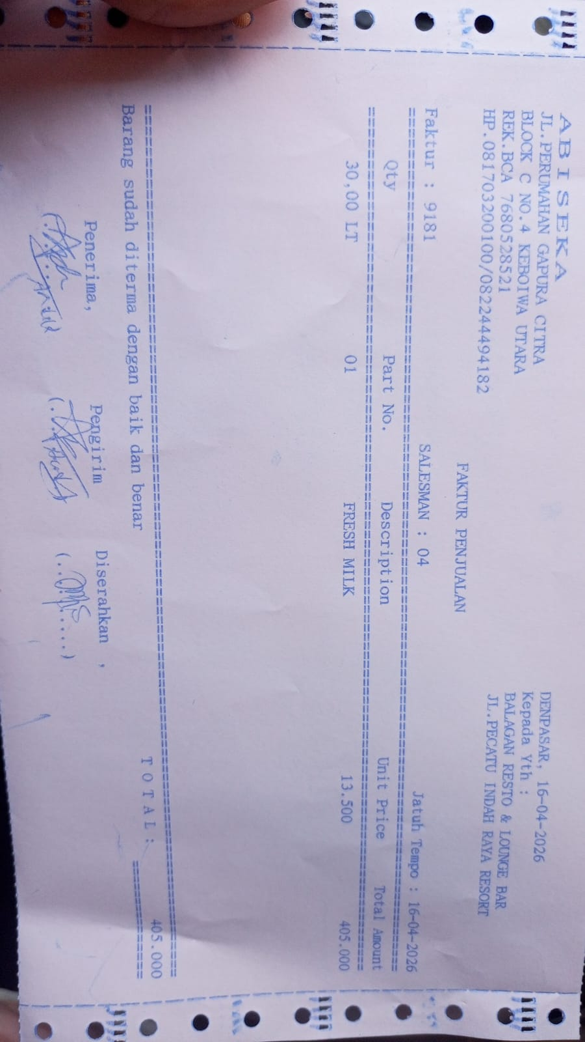

 |  |  |  | Rp1,350,000

FORNO (Burger&Croissant)
DATE | DESCRIPTION | QUANTITY | PRICE | SUBTOTAL | TOTAL | AFTER TAX | BILLS | Rp1,337,550
3-Apr-2026 | BRIOCHE BUN | 25 | IDR 5,000 | IDR 125,000 | IDR 270,000 | IDR 299,700 | 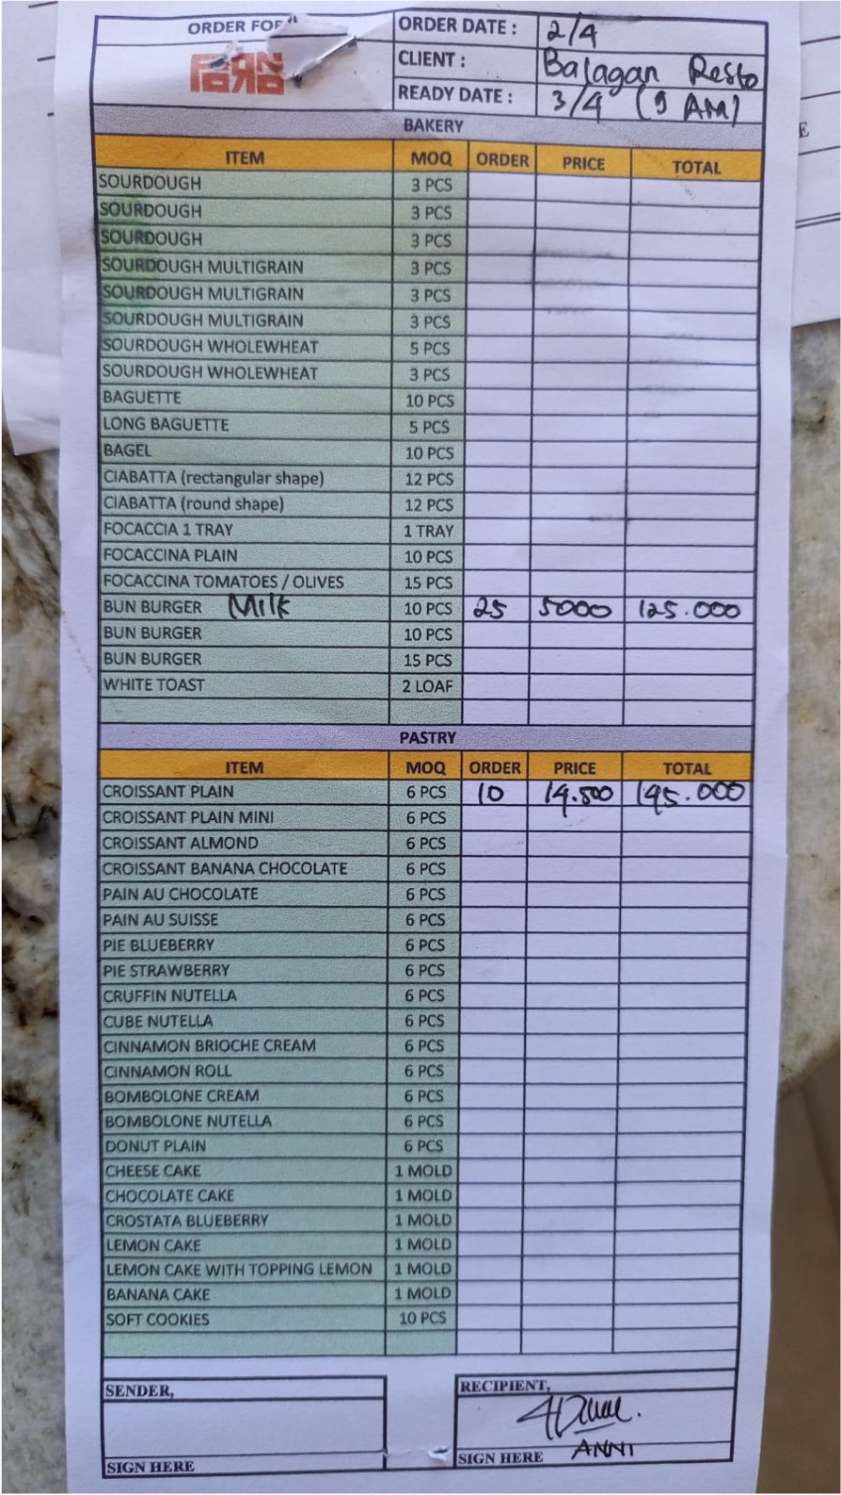
 | CROISSANT PLAIN | 10 | IDR 14,500 | IDR 145,000
9-Apr-2026 | BRIOCHE BUN | 30 | IDR 5,000 | IDR 150,000 | IDR 295,000 | IDR 327,450 | 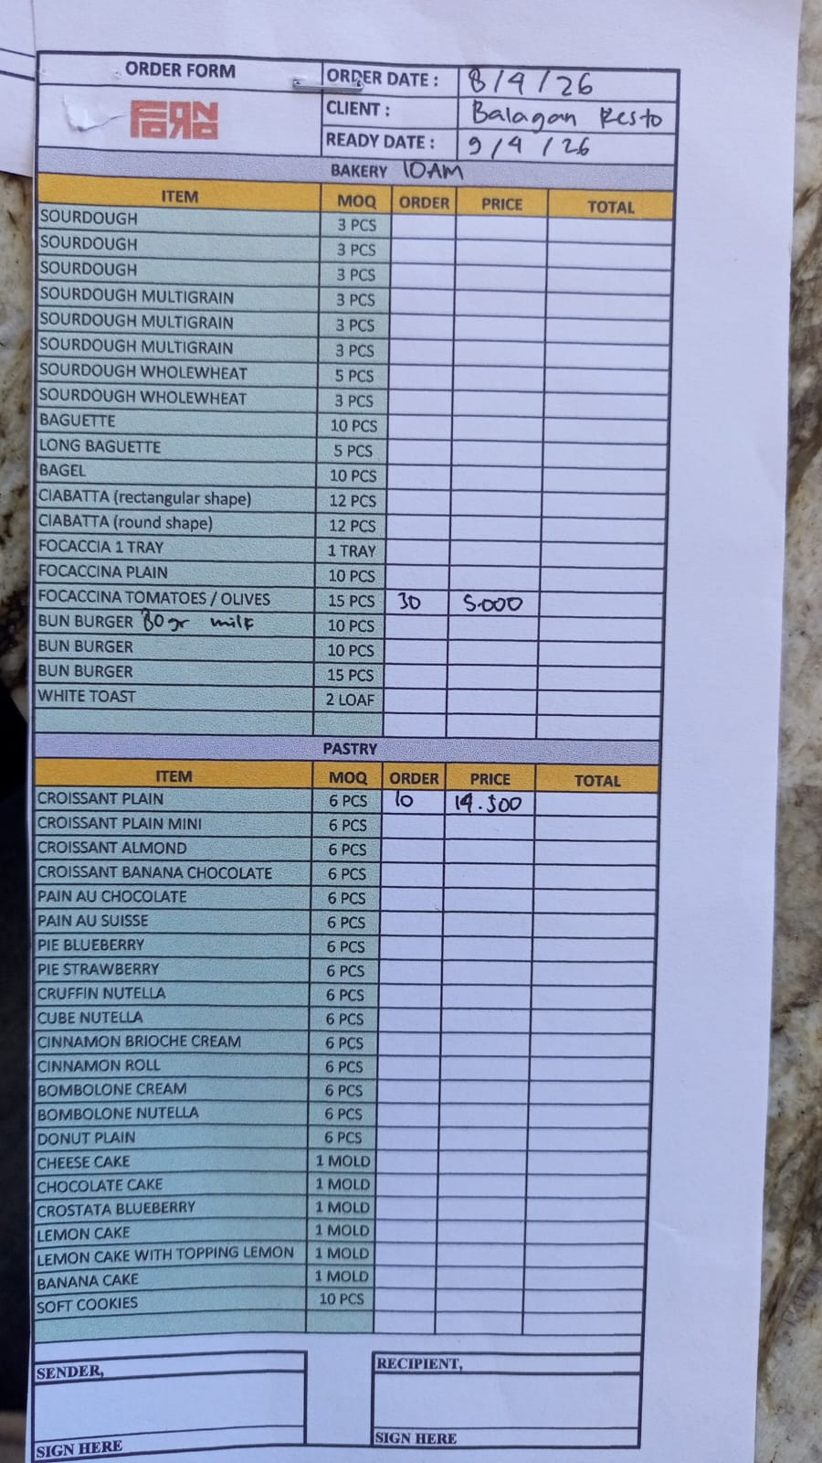
 | CROISSANT PLAIN | 10 | IDR 14,500 | IDR 145,000
14-Apr-2026 | BRIOCHE BUN | 30 | IDR 5,000 | IDR 150,000 | IDR 295,000 | IDR 327,450 | 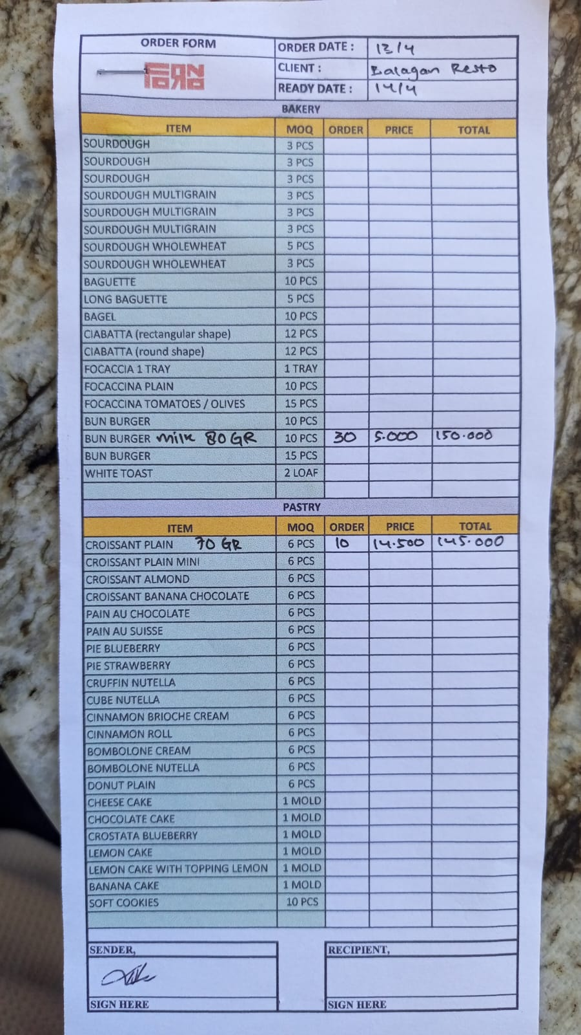
 | CROISSANT PLAIN | 10 | IDR 14,500 | IDR 145,000
16-Apr-2026 | CROISSANT PLAIN | 10 | IDR 14,500 | IDR 145,000 | IDR 245,000 | IDR 271,950 | 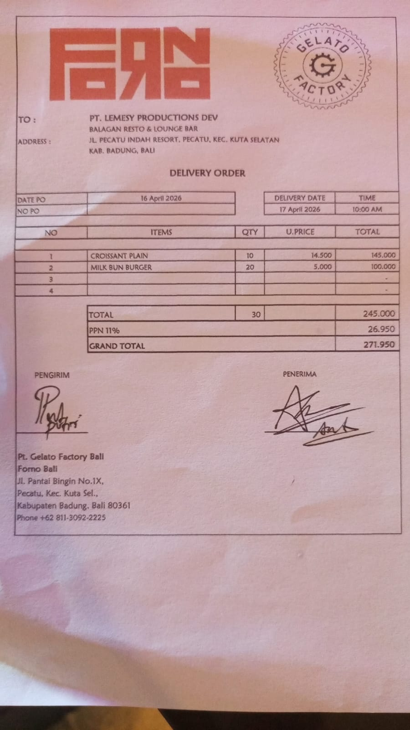
 | BRIOCHE BUN | 20 | Rp5,000 | IDR 100,000
19-Apr-2026 | BRIOCHE BUN | 20 | Rp5,000 | IDR 100,000 | IDR 100,000 | IDR 111,000 | 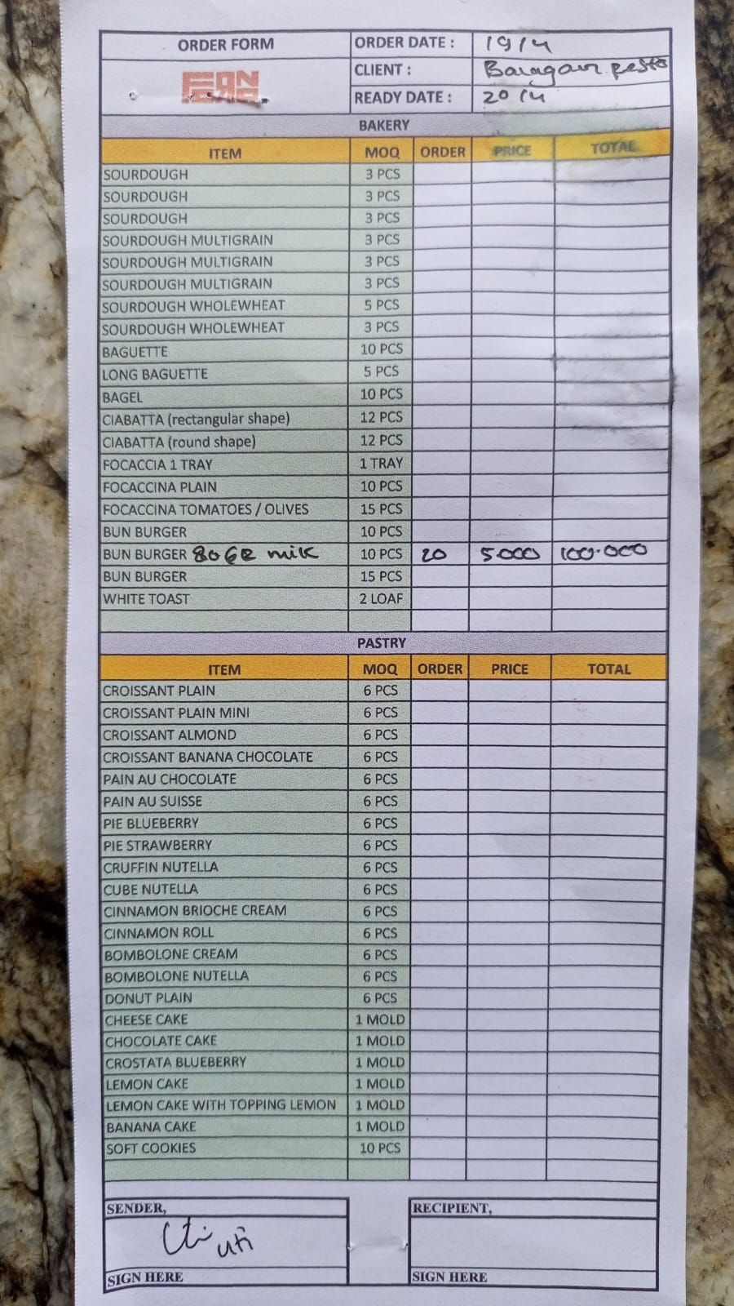
 |  |  |  | IDR -
 |  |  |  | IDR -
 |  |  |  | IDR -
 |  |  |  | IDR -
 |  |  |  | IDR -
 |  |  |  | IDR -
 |  |  |  | IDR -
 |  |  |  | IDR -
 |  |  |  | IDR -
 |  |  |  | IDR -
 |  |  |  | IDR -
 |  |  |  | IDR -
 |  |  |  | IDR -
 |  |  |  | IDR -
 |  |  |  | IDR -
 |  |  | Rp1,337,550

KSP (Chicken)
DATE | INV NO. | DESCRIPTIONS | QTY | PRICE | SUB TOTAL | TOTAL | BILLS | Rp3,184,800
1-Apr-2026 | B01124/PRN-R/2026 | BONELESS BREAST TK SP | 5.2 | IDR 53,000 | IDR 275,600 | IDR 1,096,300 | 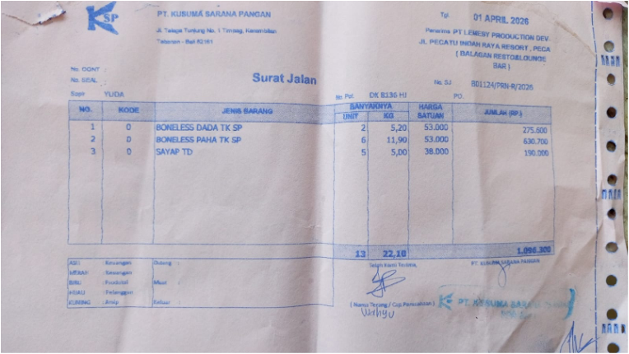
 |  | BONELESS LEG TK SP | 11.9 | IDR 53,000 | IDR 630,700
 |  | WINGS TD | 5 | IDR 38,000 | IDR 190,000
7-Apr-2026 | BO1207/PRN-R/2026 | BONELESS BREAST TK SP | 5 | IDR 51,000 | IDR 255,000 | IDR 1,104,200 | 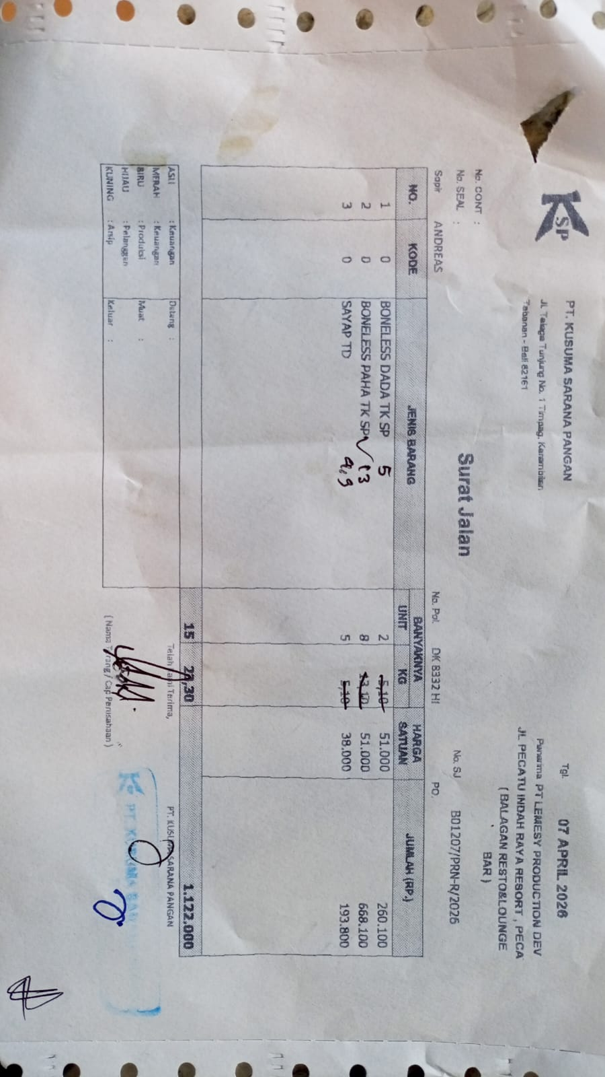
 |  | BONELESS LEG TK SP | 13 | Rp51,000 | IDR 663,000
 |  | WINGS TD | 4.9 | Rp38,000 | IDR 186,200
14-Apr-2026 | B01356/PRN-R/2026 | BONELESS BREAST | 5.6 | Rp51,000 | IDR 285,600 | IDR 984,300 | 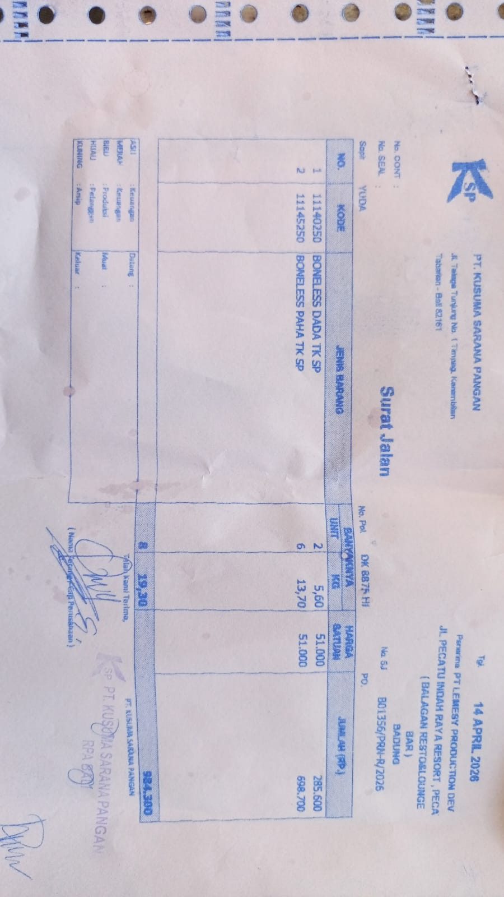
 |  | BONELESS LEG | 13.7 | Rp51,000 | Rp698,700
 |  |  |  |  | Rp- | Rp-
 |  |  |  |  | Rp-

GRAND TOTAL |  |  |  |  |  | Rp3,184,800

SURYA CIPTA NIAGA BALI (Beef)
DATE | INV NO. | DESCRIPTIONS | QTY | PRICE | SUBTOTAL | TOTAL | DUE DATE | STATUS | BILLS | Rp17,031,900 | Rp24,163,900
2-Apr-2026 | 2604/FK-0173 | TOP SIDE BLACK ANGUS GF ONYX | 10.15 | Rp250,000 | Rp2,537,500 | Rp5,383,300 | 2026-05-02 | UNPAID | 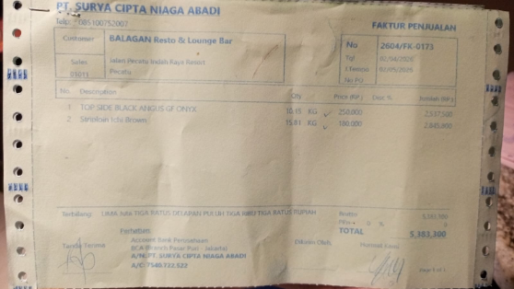
 |  | STRIPLOIN ICHI BROWN | 15.81 | Rp180,000 | Rp2,845,800
16-Apr-2026 | 2604/FK-1790 | STRIPLOIN ICHI BROWN | 7.03 | Rp180,000 | Rp1,265,400 | Rp6,335,400 | 2026-05-16 | UNPAID | 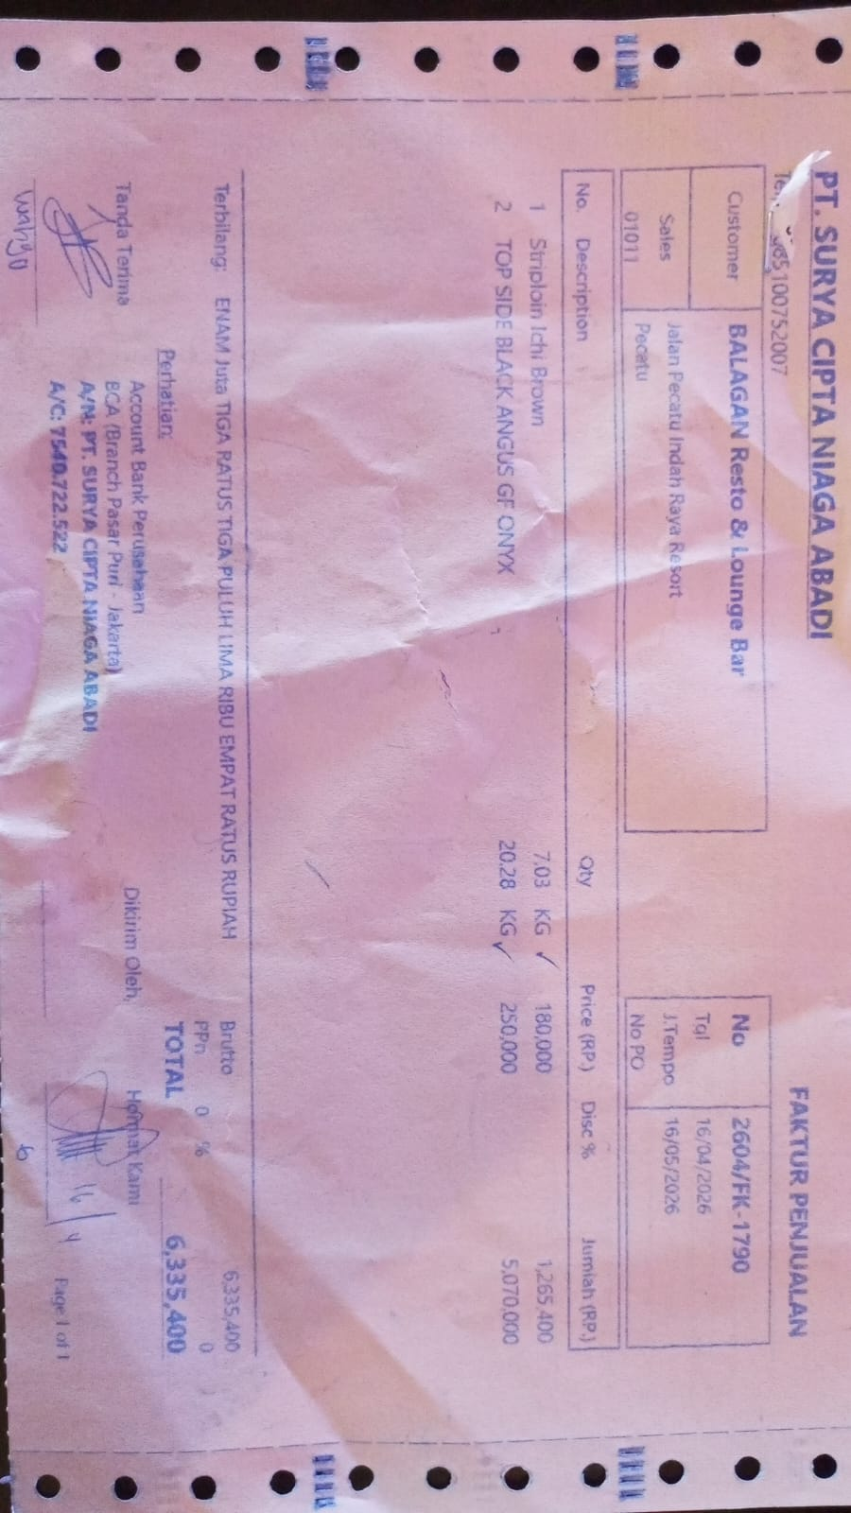
 |  | TOP SIDE BLACK ANGUS GF ONYX | 20.28 | Rp250,000 | Rp5,070,000
20-Apr-2026 | 2604/FK-2153 | TOP SIDE BLACK ANGUS GF ONYX | 12.44 | Rp250,000 | Rp3,110,000 | Rp5,313,200 | 2026-05-20 | UNPAID | 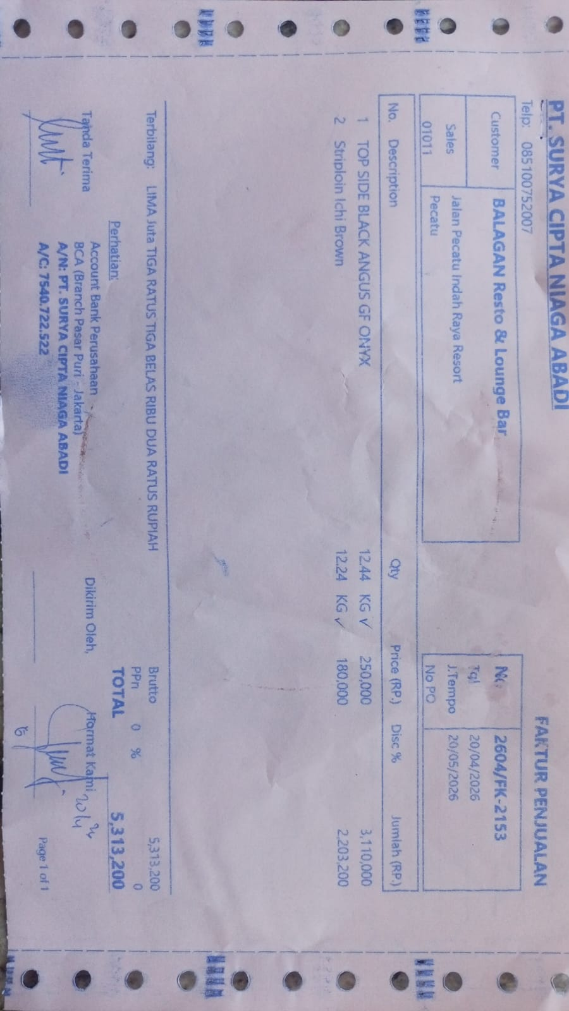
 |  | STRIPLOIN ICHI BROWN | 12.24 | Rp180,000 | Rp2,203,200

TOTAL |  |  |  |  | Rp17,031,900

MULIA JAYA (PASSION FRUIT)
DATE | DESCRIPTIONS | QTY | PRICE | SUBTOTAL | TOTAL | STATUS | BILLS | Rp-
3-Apr-2026 | PASSION FRUIT PUREE | 6 | Rp50,000 | Rp300,000 | Rp300,000 | PAID | 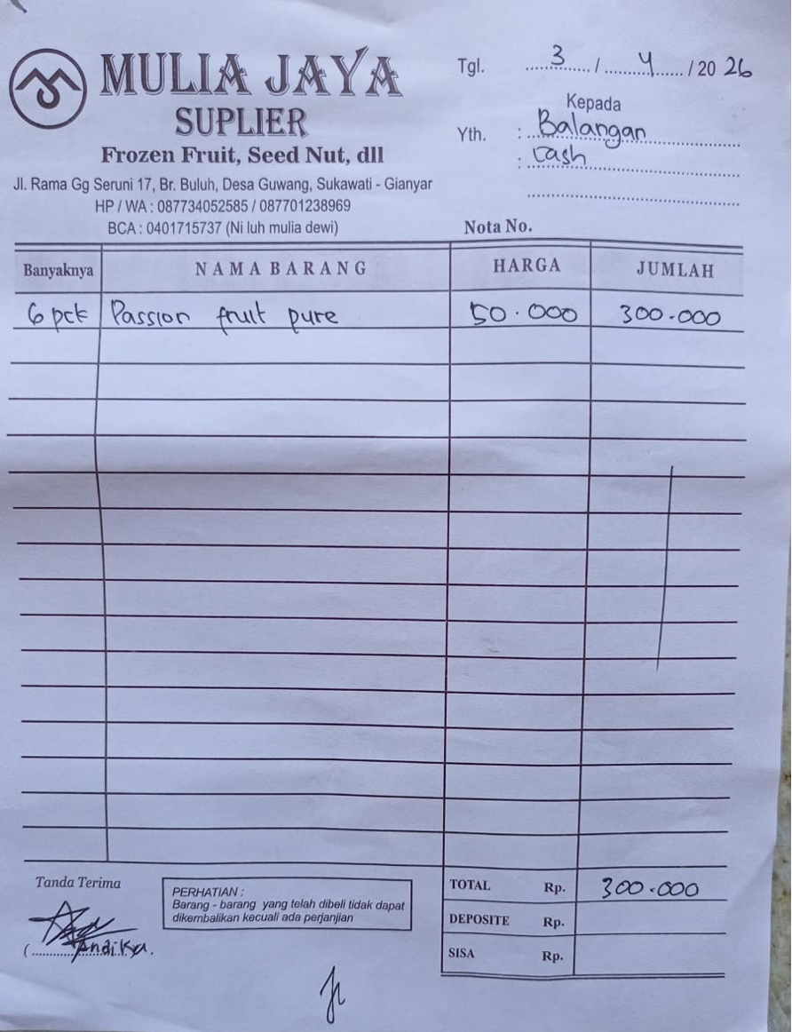

TOTAL |  |  |  | Rp-

BAYU AGNI MERTA (Gas)
DATE | INV NO. | DESCRIPTIONS | QTY | PRICE | TOTAL | BILLS | Rp7,740,000
18-Apr-2026 | 1915 | LPG 50 KG | 9 | IDR 860,000 | IDR 7,740,000 | 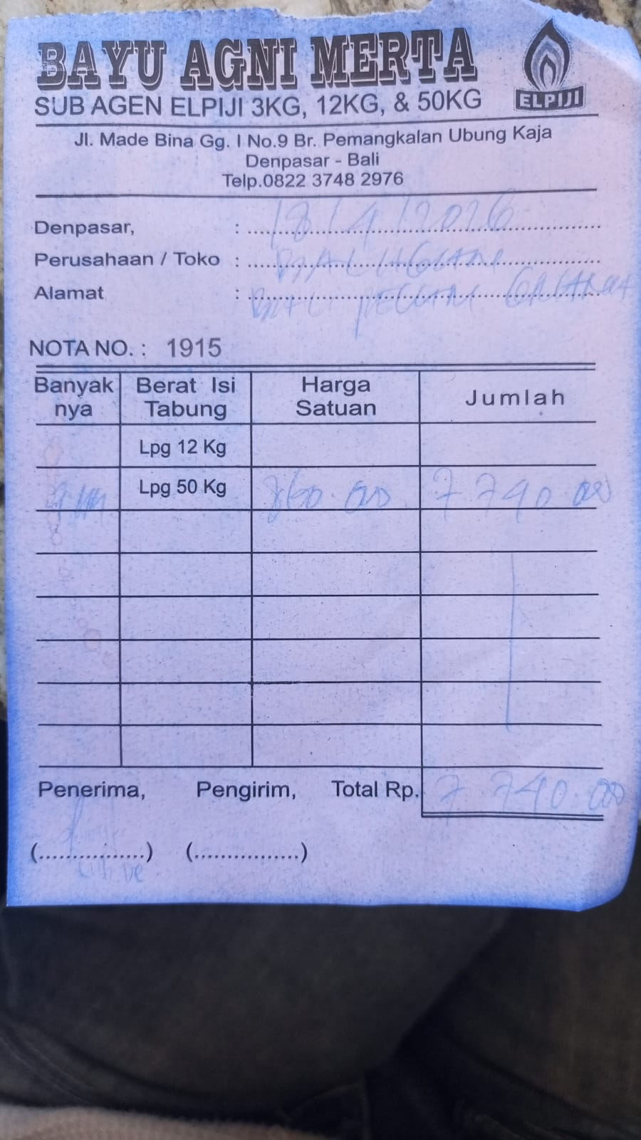
 |  |  |  |  | IDR -
 |  |  |  |  | IDR -
TOTAL |  |  |  | Rp7,740,000

CELEBRITY BAKERY (Bakery)
DATE | INV.NO | DESCRIPTION | QTY | PRICE | SUBTOTAL | TOTAL | BILLS | Rp160,000
2026-04-16 | DLV/CUS00453/160426/00001 | SOUR BREAD 500 GR GLUTTENFREE | 2 | Rp50,000 | Rp100,000 | Rp160,000 | 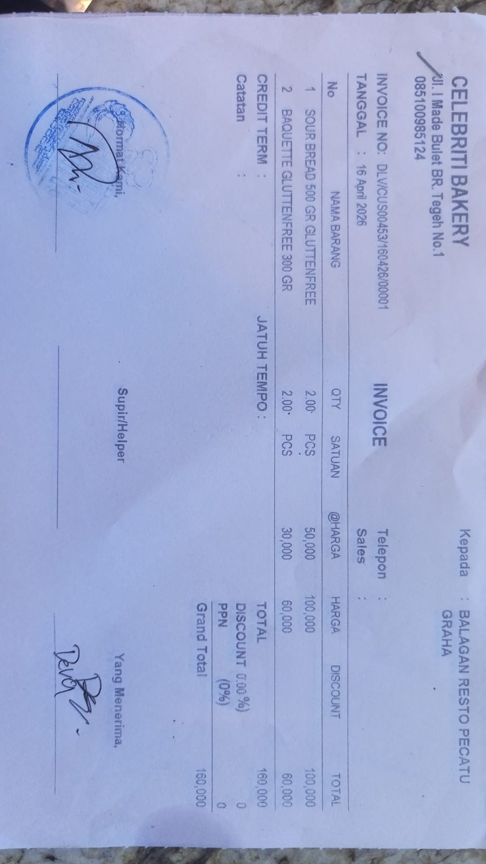
 |  | BAQUETTE GLUTTENFREE 300 GR | 2 | Rp30,000 | Rp60,000

TOTAL |  |  |  | Rp160,000

